1. Title Page
[Instacart Grocery Basket Analysis]

Project Name: Instacart Grocery Basket Analysis
Date:27th August,2023
Analyst Name: Kanchan Malge

Contents:
Population Flow
Consistency checks
Wrangling steps
Column derivations
Visualizations
Recommendations

2. Population Flow
Title page

Population flow

Exclusion flag
Condition: max_order < 5
Obervations to be removed: 1,441,488
Final total count of order_products_all: 30,991,542

Orders_products_combined
Orders_products_merged
Orders_products_all

Total: 32,433,030 x 23
Total: 32,434,489 x 10
Total: 32,433,030 x 33

1.) The grey boxes in the first row of the population flow represent the original data sets as they were when you downloaded them. In the Total fields you need to add the count of the rows when you imported the data set into Jupyter.
2.) The second row of boxes (coloured) represents the data sets after you manipulated them, e.g., removed missing values and duplicates. In the Total fields you need to add the count of the rows after conducting these operations. This offers a visual oveview of how the data flows throughout the data consistency checks.
3.) The third row, where also the arrows are coloured, represents the merges you performed between the datasets. In the Total fields you need to add the count of the rows in the merged datasets, so that you end up with the final dataset (in the red box). Keep in mind the final dataset should be without exclusions (based on the exclusion flag).

3. Consistency checks
 |  |  |  | Title page
Consistency checks

Dataset | Missing values | Missing values treatment | Duplicates
orders | days_since_prior_order : 206.209 | nothing | 0
products | product_name: 16 | removed | 5 deleted
orders_products_prior | 2 outliers numbers | changed to more logical value(1.49 and 9.99) | 0
customers | first_name : 11279 | nothing since it does not affect the analysis | 0
 | 0 | 0 | 0

4. Wrangling steps
 |  |  |  | Title page
Wrangling steps

Columns dropped | Columns renamed | Columns' type changed | Comment/Reason
eval _set' |  | order_id to str | deleted because not needed
first_name' |  | user_id to str,product_name to str | changed to days_of_week for clarity
last_name' |  |  | changed to _days_since_last_order for clarity
 | order_dow' to 'orders_day_of_week' |  | changed to string
 | days_since_prior_order' to 'day_since _last_order' |  | changed to string
 | surnam' to 'last_name' |  | changed to Last Name
 | First Name : 'first_name |  | changed to State
 | Gender' : 'gender' |  | changed to dependents
 | STATE' : 'state' |  | changed data type to string
 | Age' : 'age' |  | due to PII
 | fam_status' : 'marital_status' |  | due to PII
 | n_dependants' : 'number_of_dependants'

5. Column derivations
 |  |  |  | Title page

Column derivations and aggregations

Dataset | New column | Column/s it was derived from | Conditions
df_orders_products_merged | price_range_loc | prices | low range: if price is <=5 mid range: if price is >5 & <= 15 high range: if price is > 15
df_orders_products_merged | busiest day | orders day of the week | Least busy: if orders_dow = 4 Busiest day: if orders_dow = 0 Regularly Busy: if orders_dow = all else
df_orders_products_merged | busiest day | orders day of the week | Slowest Days: if orders_dow = 4 or 3 Busiest days: if orders_dow = 0 or 1 Regularly days: if orders_dow = all else
df_orders_products_merged | busiest period day of week | oder hour of day | Fewest Orders: if order_hod = 3,4,2,5,1,0,6,23 Most:Orders: if order_hod = 10,11,14,15,13,12,16,9 Average Orders: if orders_hod = all else
df_orders_products_merged | max order | using groupby with user_id and order number | the max number of orders
df_orders_products_merged | loyalty_flag | max_order | New Customer: if max order <= 10 Regular Customer: if max order >10 & <=40 Loyal Customer: if max order >40
df_orders_products_merged | mean_price | using groupby with user_id and prices | the mean price
df_orders_products_merged | spending_flag | mean_price | Low: if mean price < 10 High: if mean price >= 10
df_orders_products_merged | median days | using groupby with user_id and days_since_prior_order | the median frequency of ordering
df_orders_products_merged | frequency_flag | median_days | Non-Freq: if median days >20 Regular: if median days >10 & <=20 Frequent: if median days <=10
df_ords_prods_all_updated | Region | state | divided states into regions by wikipedia categories
df_ords_prods_all_updated | activity | max_order | Low: if max order <5 High: if max order >=5
 | age_group | age | Young: if age <=35 Middle: if age >35 & <60 Older: if age >= 60
 | income_group | income | Below: if income <= 99 675 Above: if income >= 99 676

6.Visualizations,Recommendation
 |  |  |  |  |  |  | Title page

Visualisations

In this tab you should include all the visualtions from Exercises 4.9 and 4.10, alongside the questions from the project brief that they answer. Include any commentary on the relationship between different variables.

1. The sales team needs to know what the busiest days of the week and hours of the day are
(i.e., the days and times with the most orders) in order to schedule ads at times when there are fewer orders.

Orders Placed by Days of Week
Price Spent by Days of Week

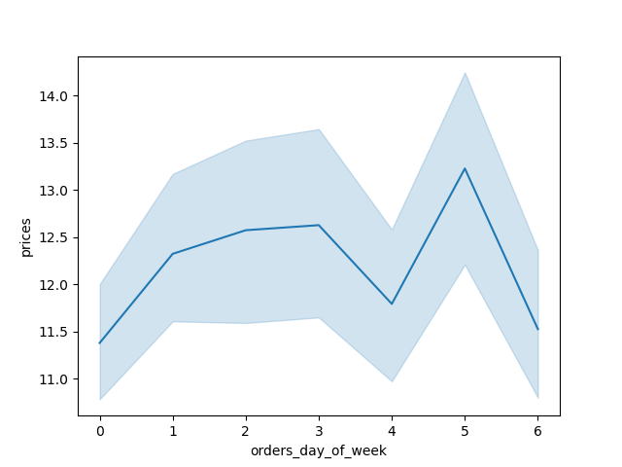
Days of Week
Legend
0 - Saturday
1 - Sunday
2 - Monday
3 - Tuesday
4 - Wednesday
5 - Thursday
6 - Friday
 |  |  |  |  |  |  |  | Recommendations
 |  |  |  |  |  |  |  | Every business is unique, so the exact days and hours of peak and off-peak ordering times will vary. Regularly reviewing and adapting your ad scheduling strategy based on the data you collect will ensure that your ads are reaching the right audience at the right times.
 |  |  |  |  |  |  | Recommendations

 |  |  |  |  |  |  | Every business is unique, so the exact days and hours of peak and off-peak ordering times will vary. Regularly reviewing and adapting your ad scheduling strategy based on the data you collect will ensure that your ads are reaching the right audience at the right times.

 | Saturday has the most orders, follow by Sunday and then Friday. |  |  |  | Customers are spending more on Tuesday and Thursday.
 | Wednesday has the least followed by Tuesday and Monday.

2. Are there particular times of the day when people spend the most money?
This might inform the type of products they advertise at these times.

Amount Spent by Time of Day
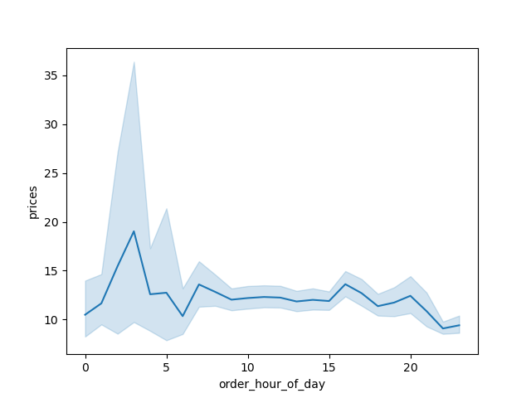

 |  |  |  |  | Recommendations
 |  |  |  |  | Various factors, including cultural norms, economic conditions, and individual preferences can influence consumer behavior. Regularly analyzing and adapting your advertising strategy based on data insights will help you connect with your target audience effectively when they're most likely to make purchases.

The amount of money spent is highest between 2 and 4 am.

 | 3. Instacart has a lot of products with different price tags. Marketing and sales want to use simpler price
 | range groupings to help direct their efforts.



 |  |  |  |  |  | Recommendations
Insights:
The data indicates that the busiest hour for Instacart is 10 AM, with the highest number of orders occurring at this time. However, before 10 AM there is a notable increase in orders starting at 9 AM. This elevated order activity continues until 4 PM, where the number of orders remains relatively consistent. Subsequently, starting from 5 PM, there is a gradual decline in orders that continues for the remainder of the day.
 |  |  |  |  |  | Simplifying price range groupings can help customers quickly find products that match their budget and preferences. By offering clear pricing categories and emphasizing the value within each range, you can enhance the shopping experience and guide customers toward products that suit their needs.

 |  |  |  | order_hour_of_day

 | 4. What’s the distribution among users in regards to their brand loyalty (i.e., how often do they return to Instacart)?

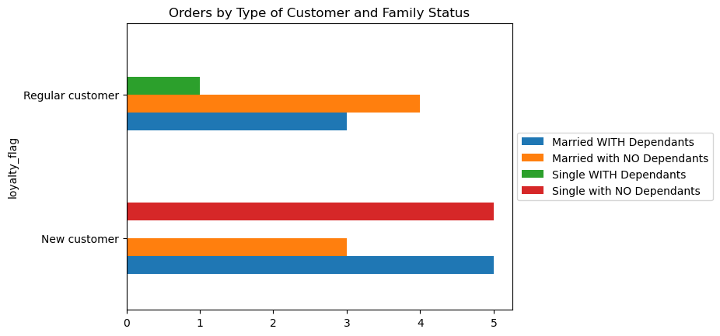

 |  |  |  |  | Recommendation
 |  |  |  |  | Understanding and influencing brand loyalty distribution can significantly impactcustomer retention and revenue. By tailoring your strategies to different user segments and addressing their unique needs, you can foster stronger relationships with users and encourage them to return to Instacart more frequently.

 | 5. General insights about customers

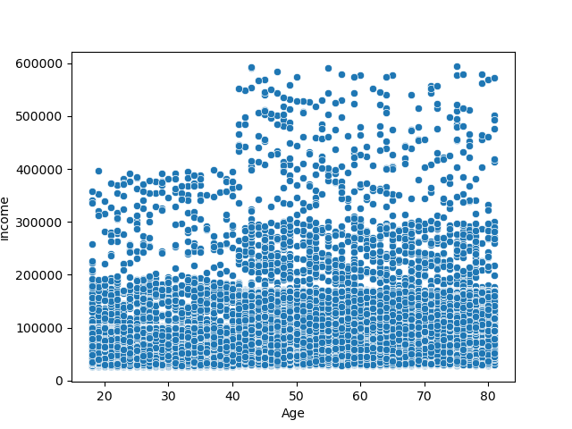

Insight:
The scatter plot reveals that the majority of customers, regardless of age, have incomes ranging from 0 to 200k Additionally, a significant portion of customers show incomes up to 300k. However, among customers ages 18 to 40, there is a small group reaching incomes as high as 400k. As the age progresses beyond 40, a larger proportion of customers have incomes up to 300k, with a few falling within the range of 300k to 600k.There is a clear relationship between age and income, where younger customers exhibit an income max that is significantly lower than the one for older generations

 | 6. Are there differences in ordering habits based on a customer’s region?

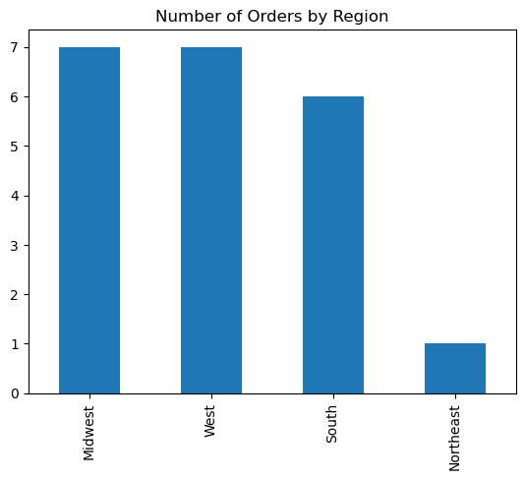

Insights:
Event though Instacart customers are distributed relatively evenly among the four regions, the largest proportion of customers is located in the Midwest
 |  |  |  |  |  | Recommendations

 |  |  |  |  |  | Regularly analyzing data and seeking feedback will allow you to create a more tailored and effective customer experience that resonates with each region's unique characteristics.
Frequency

 |  |  |  | Region

 | 7. Is there a connection between age and family status in terms of ordering habits?

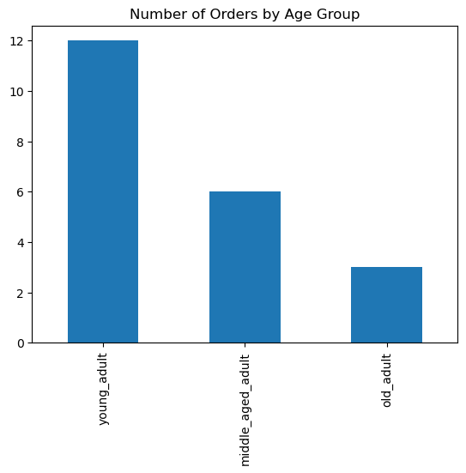
 |  |  |  |  | Recommendations
 |  |  |  |  | By understanding the connection between age, family status, and ordering habits, you can create a more personalized and relevant experience for your customers. Customizing your offerings and marketing efforts based on these factors can lead to increased customer satisfaction and loyalty.

Young age customers, under 35 make up the largest share of orders
Followed by middle aged customers betweem 35 & 60 older. With old aged customer, 60 and older
having the least.

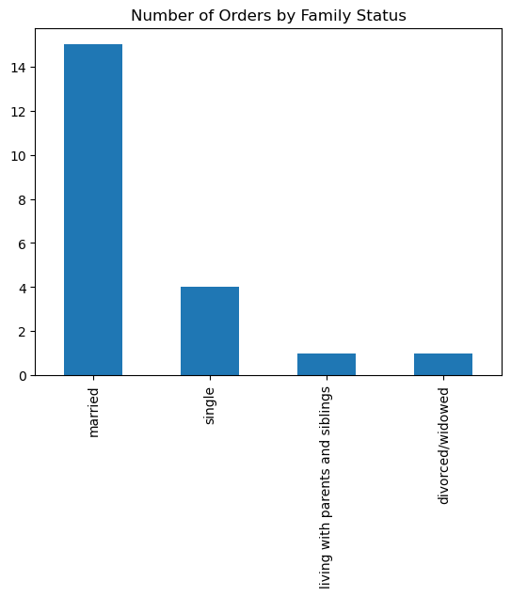

Almost half of the orders have been placed by Married customers.

 | 8 | What different classifications does the demographic information suggest? Age? Income? Certain types of goods? Family status?

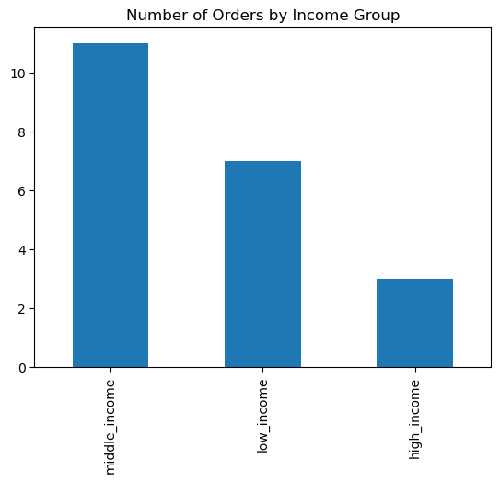

 |  |  |  |  |  |  | Recommendations

 |  |  |  |  |  |  | By leveraging demographic information to create targeted classifications, you can tailor your marketing efforts, product offerings, and overall customer experience to better match the preferences and behaviors of different customer segments.

 |  |  |  |  | Most of the orders are placed from middle_income users while only few are from low income users.

 |  | 9 | What differences can you find in ordering habits of different customer profiles? Consider the price of orders, the frequency of orders, the products customers are ordering, and anything else you can think of.

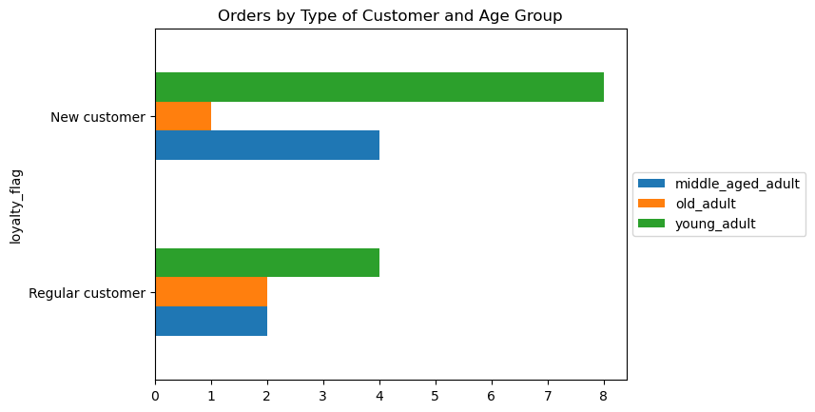

The age distribution across the different types of customers is not even.

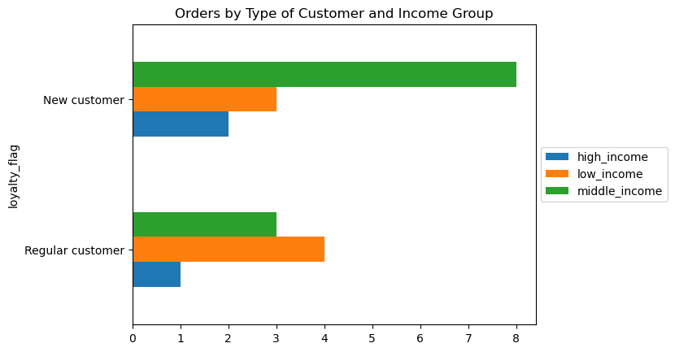

The purchasing power across the different types of customers is not similar.

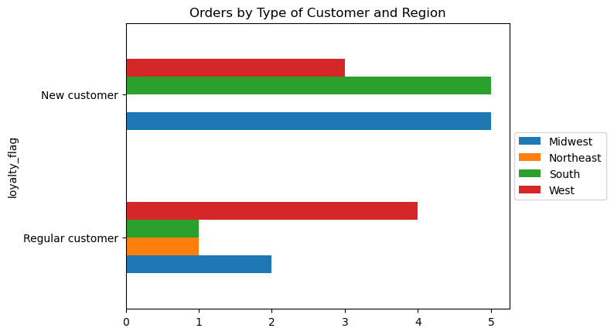
Regular, New Customers have a different distribution across the different regions.

 |  |  |  |  |  |  | Recommendations
 |  |  |  |  |  |  | Understanding and catering to the unique ordering habits of different customer Profiles can lead to higher customer satisfaction, increased retention, and improved overall business performance.

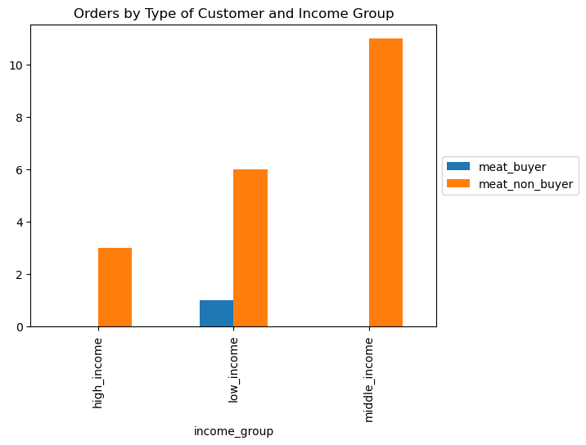
 |  | Meat Customers
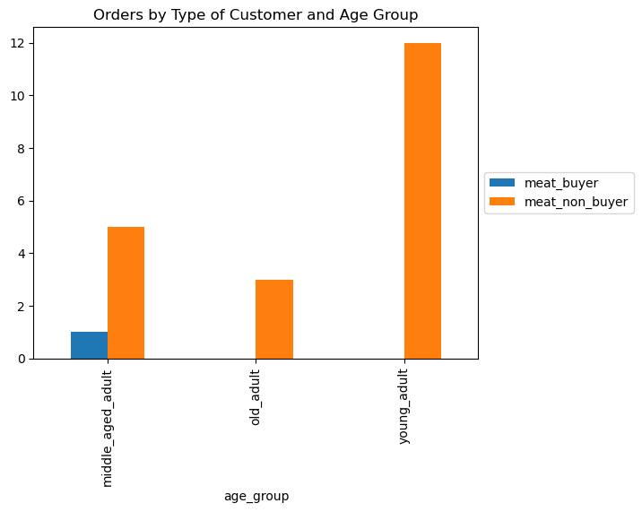
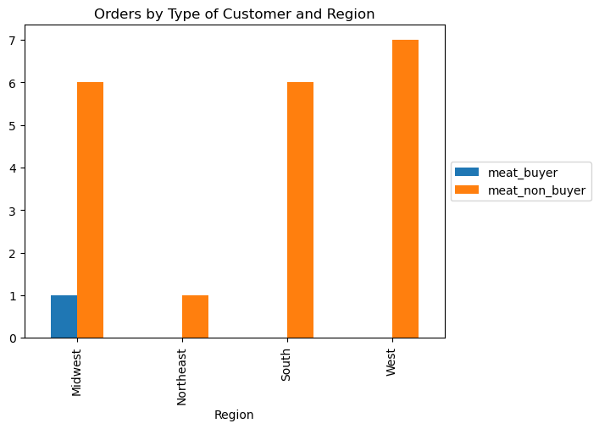
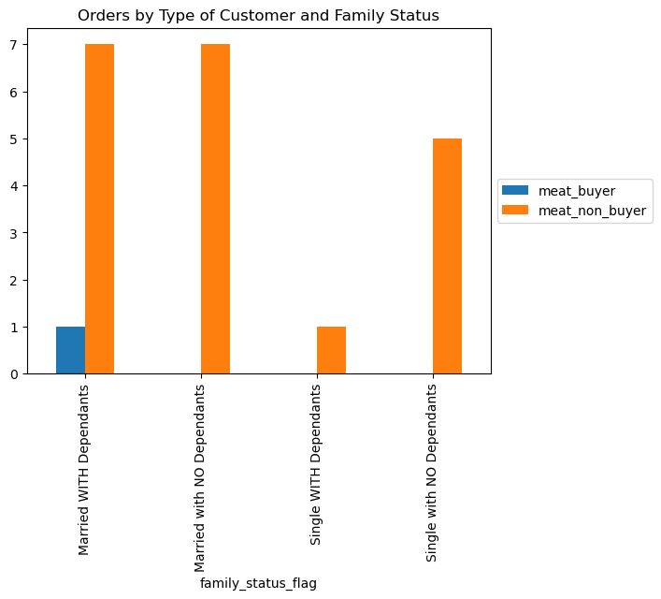

Low-income customers buy less meat and seafood products.

 |  | Snacks Customers

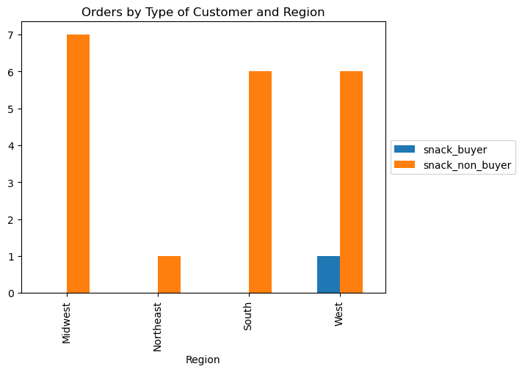
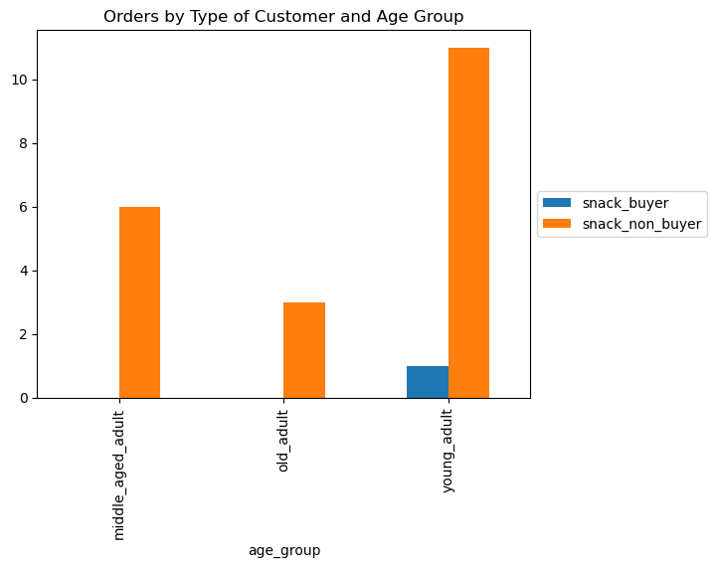
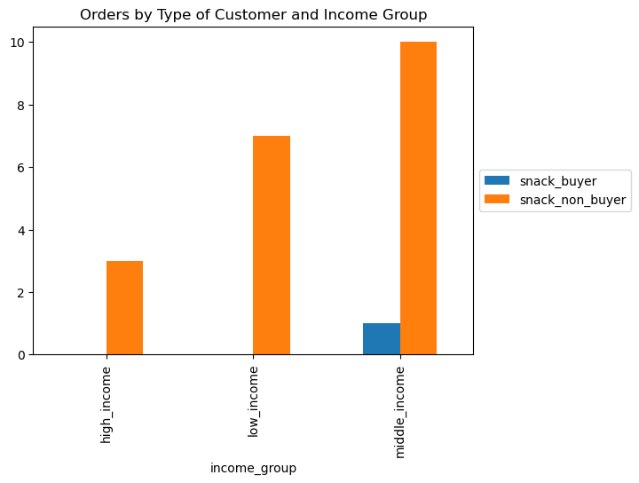


Most customers have not purchased snacks. Ordering habits between snack buyers and non buyers are inconsistent with the general trends.

